Instructions
Instructions on how to use the new SF 133 report for additional reporting periods
The SF 133 data is available in 4 different worksheets: TAFS detail, Account Total, Bureau Total and Agency Total. Each of the worksheets can be filtered to get to a specific Bureau, OMB Account, TAFS or Financing Type (for the Bureau and Agency Totals).
To filter, there are drop down menus found in cells A5:A7 which can be used to find a specific item. There are two ways to filter the report.

1)You can either type in a specific word or account number in the search box and the report will find all the accounts with that in the title.
Example of searching for all TAFS with the word "Student" in the title for the Department of Education:

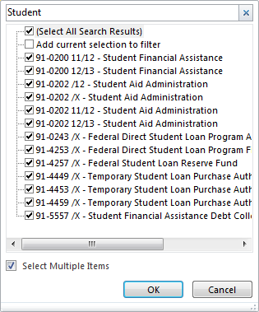

2) You can deselect (All) and then go down and select the accounts that you would like to see.

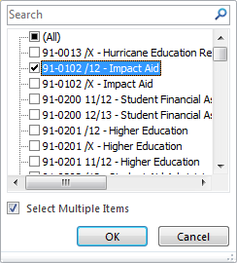

You should be able to print the file and the report should have headers. If you have any problems, please post a comment to the community page.

